Sheet1
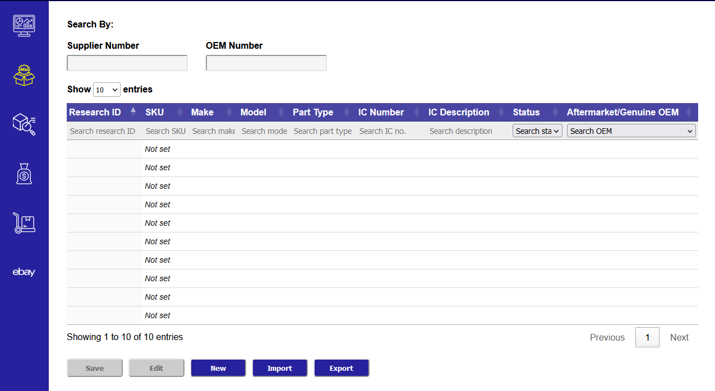

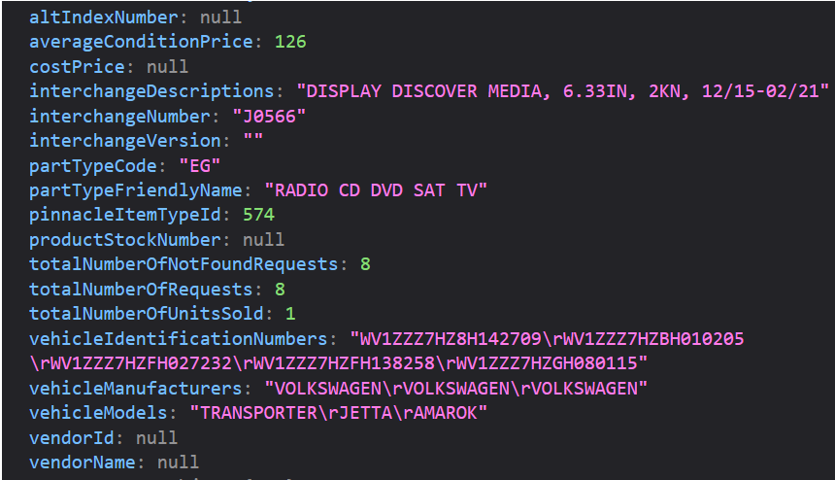

Tab | Column Name | Importable | Editable | Source | Note | From API
Product Tab | Research number | N | N | Generated | Where to store Research Number? | -
Product Tab | WCP SKU | N | N | Pinnacle | Blank if not in api show in research tool | productStockNumber
Product Tab | Make | N | N | Pinnacle |  | vehicleManufacturers
Product Tab | Model | N | N | Pinnacle |  | vehicleModels
Product Tab | Part Type | N | N | Pinnacle |  | partTypeFriendlyName
Product Tab | IC # | N | N | Pinnacle |  | interchangeNumber
Product Tab | IC Description | N | N | Pinnacle |  | interchangeDescriptions
Product Tab | Status | N | Y | Manual | Muti-select dropdown input | -
Product Tab | Aftermarket/Genuine OEM | N | Y | Manual | Muti-select dropdown input | -

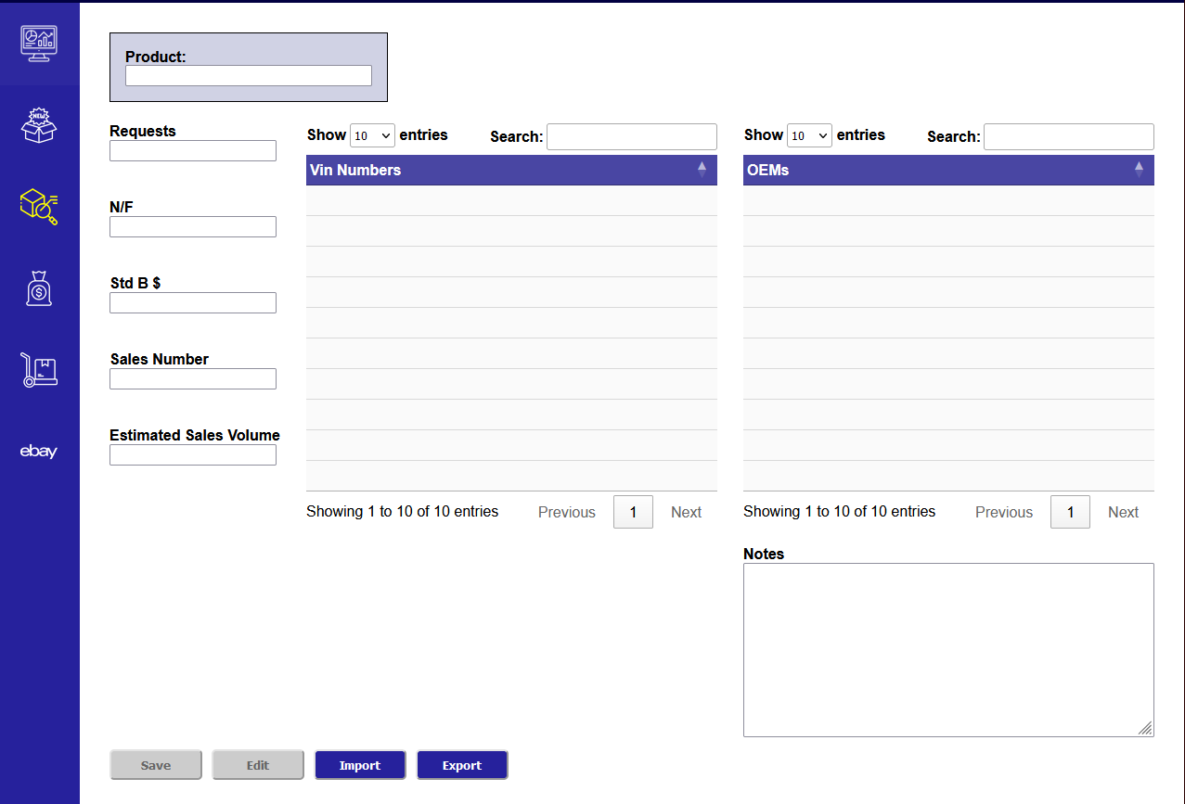

Tab | Column Name | Importable | Editable | Source | Note | From API
Stats Tab | Vin Numbers | N | N | Pinnacle |  | vehicleIdentificationNumber
Stats Tab | OEM | Y | N | Import | altindex with vendor =genuine parts reasearch | -
Tab | Field Name | Importable | Editable | Source | Note | From API
Stats Tab | Requests | N | N | Pinnacle |  | totalNumberOfRequests
Stats Tab | N/F | N | N | Pinnacle |  | totalNumberOfNotFoundRequests
Stats Tab | Std b $ | N | N | Pinnacle |  | averageConditionPrice
Stats Tab | Sales Number | N | N | Pinnacle |  | totalNumberOfRequests
Stats Tab | Est sales vol | N | Y | Pinnacle |  | totalNumberOfRequests
Stats Tab | Notes | N | Y | Manual | Is this only for export? | -

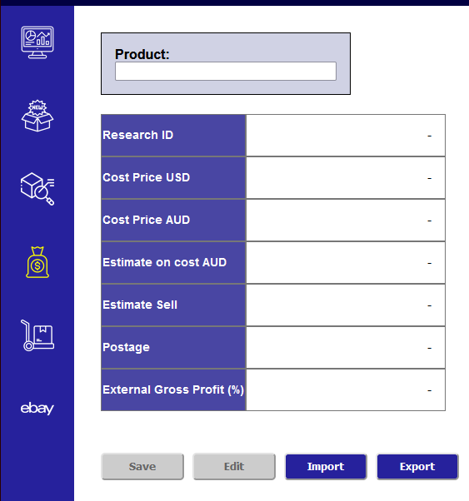

Tab | Column Name | Importable | Editable | Source | Note | From API
cost and vol Tab | cost price USD | Y | N | Import | Import/update when supplier quote received | -
cost and vol Tab | Cost price AUD | N | N | Calculated | Calculated from Currency exchange | -
cost and vol Tab | Estimated on cost AUD | N | Y | Manual | plus cost usd x 15% pl | -
cost and vol Tab | estimated sell | N | Y | Manual |  | -
cost and vol Tab | postage (if ebay) | N | Y | Manual |  | -
cost and vol Tab | ext gp% | N | Y | Manual |  | -

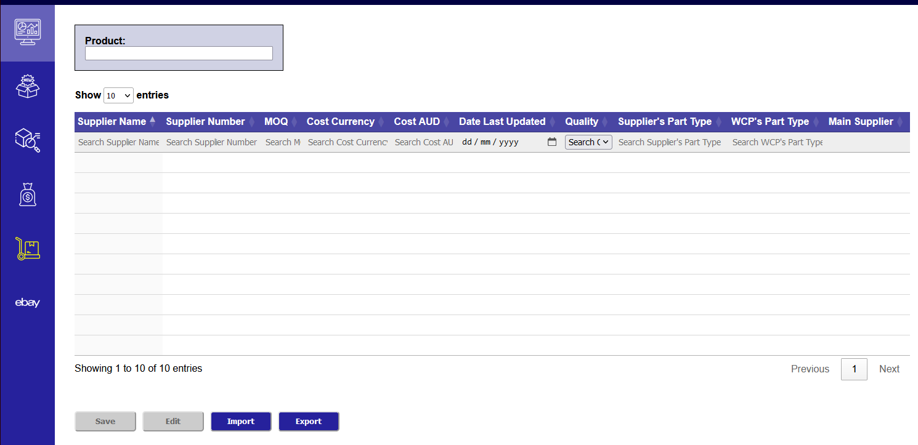

Tab | Column Name | Importable | Editable | Source | Note | From API
Alt index Tab | supplier Number (s) | Y | Y | Pinnacle | How is this going to be Editable? | vendorId or altIndexNumber
Alt index Tab | supplier Name | Y | N | Pinnacle |  | vendorName
Alt index Tab | MOQ | Y | N | Import |  | -
Alt index Tab | cost currency (from supplier details) | Y | N | Import |  | -
Alt index Tab | cost AUD | N | Y | Calculated | Calculated from cost currency | -
Alt index Tab | date last updated | N | N | Generated |  | -
Alt index Tab | Quality | N | Y | Manual | Good/normal/bad | -
Alt index Tab | Supplier’s part type | Y | N | Import |  | -
Alt index Tab | WCP’s part type | Y | N | Import | Based on existing partTypeCode or FriendlyName or pinnacleItemTypeId from API | -
Alt index Tab | Main Supplier | N | Y | Manual | Only one supplier can be the main supplier | -

 |  |  |  |  |  |  | Missing Map/Correlation to Tab's Column
 |  |  |  |  |  |  | costPrice

